Equipment
If the operating and maintenance (O&M) cost is unknown, assume 3-7% of the installed equipment (ISBL) cost.
Add any additional annualized maintenance costs to this. Ex: Solid catalyst/adsorbent replenishment, valve tray replacement, etc.
Unit ID | Purchased Cost [USD] | Installed Cost [USD] | O&M Cost [USD/Year] | Utilities [*] | Utilities ID | Lifespan [Years] | Other (Notes)
AD-201A | 23051 | 118629 | 11543 | 0.0 | 0 | 25
AD-201B | 23051 | 118629 | 11543 | 0.0 | 0 | 25
LE-201 | 25606 | 101212 | 7420 | 0.8 | 1 | 25
LE-301 | 24960 | 99522 | 7302 | 0.8 | 1 | 25
DC-101 | 26241 | 102053 | 7479 | 0.0 | 0 | 25
DC-301 | 24307 | 99522 | 7302 | 0.0 | 0 | 25
DC-302 | 23047 | 104542 | 7653 | 0.0 | 0 | 25
DC-401 | 29932 | 96961 | 7123 | 0.0 | 0 | 25
FD-101 | 20094 | 115697 | 8099 | 0.0 | 0 | 25
FD-201 | 25391 | 150256 | 10518 | 0.0 | 0 | 25
ALL costs must be in 2025 or later USD
(CEPCI in 2025 = 800)
You MUST give a lifespan/how often the equipment needs to be replaced
Any other cash flows should be noted and explained
Utilities ID's:
0 - None
1 - Electricity [kW]
2 - Water/Cooling water [kg/hr]
3 - Natural Gas [m³/hr]
4 - LP Steam [kW] (If steam is generated, report as negative)
5 - HP Steam [kW] (If steam is generated, report as negative)
FD-401 | 24960 | 100874 | 7061 | 0.0 | 0 | 25
TK-302 | 19923 | 78098 | 3905 | 0.0 | 0 | 25
SS-501a | 30652 | 107895 | 4315 | 0.0 | 0 | 30
SS-501b | 30652 | 107895 | 4315 | 0.0 | 0 | 30
SS-502 | 23962 | 84347 | 3373 | 0.0 | 0 | 30
TK-101a | 254993 | 897577 | 35903 | 0.0 | 0 | 30
TK-101b | 254993 | 897577 | 35903 | 0.0 | 0 | 30
TK-102a | 101700 | 357983 | 14316 | 0.0 | 0 | 25
TK-102b | 101700 | 357983 | 14316 | 0.0 | 0 | 25
TK-102c | 101700 | 357983 | 14316 | 0.0 | 0 | 25
TK-102d | 101700 | 357983 | 14316 | 0.0 | 0 | 25
TK-103a | 103804 | 365391 | 14615 | 0.0 | 0 | 25
TK-103b | 103804 | 365391 | 14615 | 0.0 | 0 | 25
TK-103c | 103804 | 365391 | 14615 | 0.0 | 0 | 25
TK-103d | 103804 | 365391 | 14615 | 0.0 | 0 | 25
TK-401a | 92063 | 324063 | 12962 | 0.0 | 0 | 25
TK-401b | 92063 | 324063 | 12962 | 0.0 | 0 | 25
TK-504a | 47305 | 166513 | 6660 | 0.0 | 0 | 30
TK-504b | 47305 | 166513 | 6660 | 0.0 | 0 | 30
TK-504c | 47305 | 166513 | 6660 | 0.0 | 0 | 30
TK-504d | 47305 | 166513 | 6660 | 0.0 | 0 | 30
TK-503 | 43039 | 151498 | 6059 | 0.0 | 0 | 20
M-101 | 26686 | 93938 | 4460 | 1.2 | 1 | 20
M-201 | 27251 | 101374 | 4054 | 1.5 | 1 | 20
TK-301 | 36895 | 91280 | 3651 | 0.0 | 0 | 20
TK-402 | 27350 | 96272 | 3850 | 0.0 | 0 | 30
TK-501 | 14933 | 52719 | 2108 | 0.0 | 0 | 30
TK-502 | 14977 | 52719 | 2108 | 0.0 | 0 | 30
TK-300 | 2480 | 8729 | 349 | 0.0 | 0 | 20
R-101 | 47784 | 187309 | 7169 | 16148.0 | 2 | 10
R-201 | 400167 | 1568655 | 47060 | 33760.8 | 2 | 20
R-301 | 177272 | 694888 | 20847 | 27043.1 | 2 | 20
R-401 | 42835 | 167906 | 15655 | -112.0 | 4 | 10
TO-601 | 52500 | 149148 | 21000 | 159.4 | 1 | 20
M-501 | 28809 | 101410 | 4056 | 2.4 | 1 | 10
TK-300 | 8792 | 30726 | 1229 | 0.0 | 1 | 10
TK-104 | 15000 | 52174 | 2086 | 0.0 | 0 | 10
TK-303 | 15000 | 52174 | 2086 | 0.0 | 0 | 10
TK-304 | 15000 | 52164 | 2086 | 0.0 | 0 | 10
TK-403 | 15000 | 52167 | 2086 | 0.0 | 0 | 10
B-601 | 560376 | 823753 | 32950 | 75.8 | 3 | 30
E-101 | 42663 | 62715 | 4266 | 260.9 | 5 | 20
E-102 | 42663 | 62715 | 4266 | 0.0 | 0 | 20
E-103 | 42430 | 62372 | 4243 | 0.0 | 0 | 20
E-104 | 42202 | 62038 | 4220 | -119.0 | 4 | 20
E-105 | 42202 | 62038 | 4220 | 27921.0 | 2 | 20
E-106 | 42663 | 62715 | 4266 | 23253.6 | 2 | 20
E-107 | 44337 | 65176 | 4434 | 163.0 | 5 | 20
E-201 | 42202 | 62038 | 4220 | 9.4 | 4 | 20
E-202 | 42663 | 62715 | 4266 | 6501.8 | 2 | 20
E-203 | 42663 | 62715 | 4266 | 8240.7 | 2 | 20
E-204 | 42663 | 62715 | 4266 | 5324.5 | 2 | 20
E-301 | 42663 | 62715 | 4266 | 9715.6 | 2 | 20
E-302 | 42663 | 62715 | 4266 | 20845.4 | 2 | 20
E-303 | 44337 | 65176 | 4434 | 59.5 | 5 | 20
E-304 | 42202 | 62038 | 4220 | 6144.6 | 2 | 20
E-305 | 45032 | 66196 | 4503 | 100.9 | 4 | 20
E-401 | 42202 | 62038 | 4220 | 49.6 | 5 | 20
E-402 | 42202 | 62038 | 4220 | 9.1 | 5 | 20
E-403 | 42202 | 62038 | 4220 | 5511.2 | 2 | 20
E-404 | 42202 | 62038 | 4220 | 5586.0 | 2 | 20
E-405 | 44337 | 65176 | 4434 | 2.7 | 5 | 20
HVAC | 45000 | 577210 | 4500 | 676.7 | 1 | 25
P-101 | 12059 | 48235 | 1447 | 0.8 | 1 | 15
P-102 | 12059 | 48235 | 1447 | 0.8 | 1 | 15
P-103 | 12059 | 48235 | 1447 | 0.8 | 1 | 15
P-104 | 12113 | 48452 | 1454 | 1.5 | 1 | 15
P-105 | 12113 | 48452 | 1454 | 0.8 | 1 | 15
P-106 | 12140 | 48561 | 1457 | 0.8 | 1 | 15
P-107 | 12067 | 48266 | 1448 | 1.5 | 1 | 15
P-108 | 12058 | 48232 | 1447 | 0.8 | 1 | 15
P-201 | 12118 | 48473 | 1454 | 0.8 | 1 | 15
P-202 | 12078 | 48310 | 1449 | 0.8 | 1 | 15
P-203 | 12059 | 48234 | 1447 | 0.8 | 1 | 15
P-204 | 12059 | 48234 | 1447 | 0.8 | 1 | 15
P-301 | 12059 | 48234 | 1447 | 0.8 | 1 | 15
P-302 | 12083 | 48331 | 1450 | 0.8 | 1 | 15
P-303 | 12059 | 48234 | 1447 | 0.8 | 1 | 15
P-304 | 12100 | 48398 | 1452 | 0.8 | 1 | 15
P-305 | 12045 | 48179 | 1445 | 0.8 | 1 | 15
P-306 | 12066 | 48266 | 1448 | 0.8 | 1 | 15
P-307 | 12059 | 48234 | 1447 | 0.8 | 1 | 15
P-308 | 12059 | 48234 | 1447 | 0.8 | 1 | 15
P-309 | 12059 | 48234 | 1447 | 0.8 | 1 | 15
P-401 | 12059 | 48234 | 1447 | 0.8 | 1 | 15
P-402 | 12059 | 48234 | 1447 | 0.8 | 1 | 15
P-403 | 12059 | 48234 | 1447 | 0.8 | 1 | 15
P-501 | 12059 | 48234 | 1447 | 0.8 | 1 | 15
P-502 | 12059 | 48234 | 1447 | 0.8 | 1 | 15
P-503 | 12059 | 48234 | 1447 | 0.8 | 1 | 15
P-504 | 12059 | 48234 | 1447 | 0.8 | 1 | 15
P-505 | 12059 | 48234 | 1447 | 0.8 | 1 | 15
P-506 | 12059 | 48234 | 1447 | 0.8 | 1 | 15
P-601 | 19017 | 76067 | 2282 | 223.7 | 1 | 15
C-201 | 250000 | 1500000 | 45000 | 181.0 | 1 | 20
C-401 | 35000 | 43750 | 1313 | 75.0 | 1 | 15
SC-501 | 4500 | 5625 | 169 | 1.0 | 1 | 15
SC-502 | 4500 | 5625 | 169 | 1.0 | 1 | 12
Packaging Unit | 1000000 | 2200000 | 80000 | 0 | 0 | 20

Property
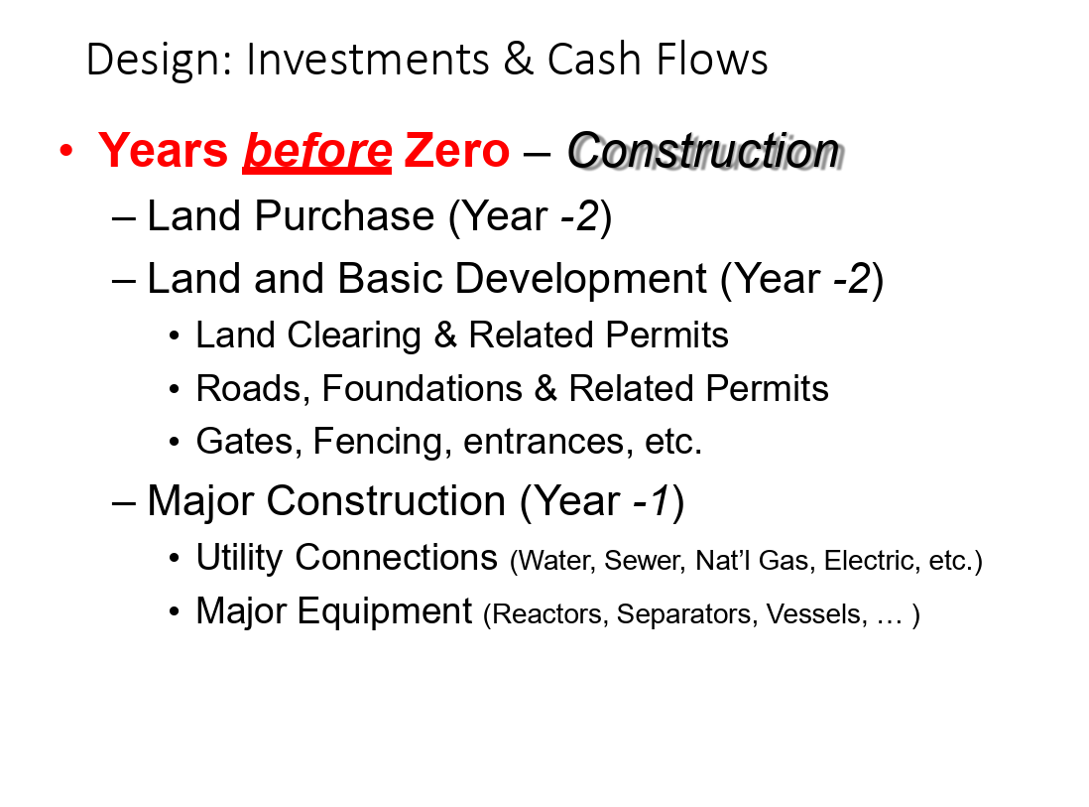
Unit ID | Depreciable [0/1] | Purchased Cost [USD] | Annual Costs [USD/Year] | Lifespan [Years] | Purchase Year [-]
Land | 0 | 725000 | 13050 | 0 | -2
Clearing | 1 | 67600 | 8000 | 20 | -2
Foundations | 1 | 612720 | 5000 | 30 | -2
Roads | 1 | 79500 | 25000 | 20 | -2
Land Improvements | 1 | 205000 | 12000 | 20 | -2
Buildings | 1 | 6400000 | 38000 | 39 | -1
Utility Connections | 1 | 150000 | 0 | 20 | -1
Insulation | 1 | 137009 | 0 | 15 | -1

Piping
Include all piping costs, solids transport cost
Do NOT include pump or compressors, this is factor in the equipments tab
ALL costs must be in 2025 or later USD
(CEPCI in 2025 = 800)
You MUST give a lifespan/how often the equipment needs to be replaced
Any other cash flows should be noted and explained
Unit ID | Purchased Cost [USD] | Installed Cost [USD] | O&M Cost [USD/Year] | Lifespan [Years] | Other (Notes)
A106 Carbon Steel Pipes | 239633 | 1437796 | 43134 | 20
Carbon Steel Fittings | 62204 | 373225 | 11197 | 20

Labor
Position | # of Personnel | Salary [USD/Year] | Hourly [USD/hr] | Salary Cost [USD/Year] | Non Salary Cost [USD/Year] | Total Cost [USD/Year] | Operational Staff [0/1] | Overtime [USD/Year] | Bonuses [USD/Year] | Training [USD/Year] | Social Security [USD/Year] | Unemployment [USD/Year] | Workers Comp. [USD/Year] | Medical Leave [USD/Year] | Health Care [USD/Year] | Federal Benefits [USD/Year] | Vision [USD/Year] | Dental [USD/Year] | Disability [USD/Year] | Life Insurance [USD/Year] | 401K Program [USD/Year] | 401K Mat. (5%) [USD/Year] | Non-Federal & Bonuses [USD/Year]
Chief Executive Officer | 1 | 200000 | 91.58 | 200000 | 127678 | 327678 | 0 | 0 | 1000 | 0 | 14339 | 5400 | 2900 | 400 | 28000 | 51039 | 600 | 600 | 800 | 800 | 2000 | 7000 | 12800
Chief Operating Officer | 1 | 150000 | 68.68 | 150000 | 97700 | 247700 | 0 | 0 | 1000 | 0 | 11475 | 4050 | 2175 | 300 | 21000 | 39000 | 450 | 450 | 600 | 600 | 1500 | 5250 | 9850
Vice Executive Officer | 1 | 150000 | 68.68 | 150000 | 97700 | 247700 | 0 | 0 | 1000 | 0 | 11475 | 4050 | 2175 | 300 | 21000 | 39000 | 450 | 450 | 600 | 600 | 1500 | 5250 | 9850
Chief Quality Officer | 4 | 110000 | 50.37 | 440000 | 298920 | 738920 | 1 | 0 | 4000 | 10200 | 33660 | 11880 | 6380 | 880 | 61600 | 114400 | 1320 | 1320 | 1760 | 1760 | 4400 | 15400 | 29960
Saftey Officer | 4 | 80000 | 36.63 | 320000 | 222360 | 542360 | 1 | 0 | 4000 | 10200 | 24480 | 8640 | 4640 | 640 | 44800 | 83200 | 960 | 960 | 1280 | 1280 | 3200 | 11200 | 22880
Senior Engineer | 4 | 120000 | 54.95 | 480000 | 324440 | 804440 | 1 | 0 | 4000 | 10200 | 36720 | 12960 | 6960 | 960 | 67200 | 124800 | 1440 | 1440 | 1920 | 1920 | 4800 | 16800 | 32320
Maitenence Engineer | 4 | 90000 | 41.21 | 360000 | 247880 | 607880 | 1 | 0 | 4000 | 10200 | 27540 | 9720 | 5220 | 720 | 50400 | 93600 | 1080 | 1080 | 1440 | 1440 | 3600 | 12600 | 25240
Material Storage Director | 4 | 80000 | 36.63 | 320000 | 222360 | 542360 | 1 | 0 | 4000 | 10200 | 24480 | 8640 | 4640 | 640 | 44800 | 83200 | 960 | 960 | 1280 | 1280 | 3200 | 11200 | 22880
Operations Engineer | 4 | 90000 | 41.21 | 360000 | 247880 | 607880 | 1 | 0 | 4000 | 10200 | 27540 | 9720 | 5220 | 720 | 50400 | 93600 | 1080 | 1080 | 1440 | 1440 | 3600 | 12600 | 25240
Floor Managers | 4 | 75000 | 34.34 | 300000 | 209600 | 509600 | 1 | 0 | 4000 | 10200 | 22950 | 8100 | 4350 | 600 | 42000 | 78000 | 900 | 900 | 1200 | 1200 | 3000 | 10500 | 21700
Equipment Operators | 28 | 60000 | 27.47 | 1680000 | 1239240 | 2919240 | 1 | 40000 | 28000 | 71400 | 128520 | 45360 | 24360 | 3360 | 235200 | 436800 | 5040 | 5040 | 6720 | 6720 | 16800 | 58800 | 127120
Controls Engineer | 4 | 90000 | 41.21 | 360000 | 247880 | 607880 | 1 | 0 | 4000 | 10200 | 27540 | 9720 | 5220 | 720 | 50400 | 93600 | 1080 | 1080 | 1440 | 1440 | 3600 | 12600 | 25240
Maintence Crew | 16 | 50000 | 22.89 | 800000 | 602248 | 1402248 | 1 | 19048 | 16000 | 40800 | 61200 | 21600 | 11600 | 1600 | 112000 | 208000 | 2400 | 2400 | 3200 | 3200 | 8000 | 28000 | 63200
Transportation Staff | 4 | 40000 | 18.32 | 160000 | 124090 | 284090 | 1 | 3810 | 4000 | 10200 | 12240 | 4320 | 2320 | 320 | 22400 | 41600 | 480 | 480 | 640 | 640 | 1600 | 5600 | 13440
Truck Drivers | 1 | 45000 | 20.60 | 45000 | 30710 | 75710 | 1 | 0 | 1000 | 0 | 3442.5 | 1215 | 653 | 90 | 6300 | 11700 | 135 | 135 | 180 | 180 | 450 | 1575 | 3655
Financial Director | 1 | 80000 | 36.63 | 80000 | 53040 | 133040 | 0 | 0 | 1000 | 0 | 6120 | 2160 | 1160 | 160 | 11200 | 20800 | 240 | 240 | 320 | 320 | 800 | 2800 | 5720
Procurement Manager | 1 | 75000 | 34.34 | 75000 | 49850 | 124850 | 0 | 0 | 1000 | 0 | 5737.5 | 2025 | 1088 | 150 | 10500 | 19500 | 225 | 225 | 300 | 300 | 750 | 2625 | 5425
Accountant | 1 | 70000 | 32.05 | 70000 | 46660 | 116660 | 0 | 0 | 1000 | 0 | 5355 | 1890 | 1015 | 140 | 9800 | 18200 | 210 | 210 | 280 | 280 | 700 | 2450 | 5130
Sales & Marketing Director | 1 | 75000 | 34.34 | 75000 | 49850 | 124850 | 0 | 0 | 1000 | 0 | 5737.5 | 2025 | 1087.5 | 150 | 10500 | 19500 | 225 | 225 | 300 | 300 | 750 | 2625 | 5425
Sales & Marketing Team | 4 | 50000 | 22.89 | 200000 | 135600 | 335600 | 0 | 0 | 4000 | 0 | 15300 | 5400 | 2900 | 400 | 28000 | 52000 | 600 | 600 | 800 | 800 | 2000 | 7000 | 15800
Building Director | 4 | 72000 | 32.97 | 288000 | 191744 | 479744 | 0 | 0 | 4000 | 0 | 22032 | 7776 | 4176 | 576 | 40320 | 74880 | 864 | 864 | 1152 | 1152 | 2880 | 10080 | 20992
IT Staff | 4 | 47000 | 21.52 | 188000 | 132420 | 320420 | 0 | 4476 | 4000 | 0 | 14382 | 5076 | 2726 | 376 | 26320 | 48880 | 564 | 564 | 752 | 752 | 1880 | 6580 | 15092
Janitorial Staff | 4 | 34000 | 15.57 | 136000 | 98006 | 234006 | 0 | 3238 | 4000 | 0 | 10404 | 3672 | 1972 | 272 | 19040 | 35360 | 408 | 408 | 544 | 544 | 1360 | 4760 | 12024
Security Manager | 4 | 59000 | 27.01 | 236000 | 164187 | 400187 | 0 | 5619 | 4000 | 0 | 18054 | 6372 | 3422 | 472 | 33040 | 61360 | 708 | 708 | 944 | 944 | 2360 | 8260 | 17924
Security Staff | 16 | 32000 | 14.65 | 512000 | 370846 | 882846 | 0 | 12190 | 16000 | 0 | 39168 | 13824 | 7424 | 1024 | 71680 | 133120 | 1536 | 1536 | 2048 | 2048 | 5120 | 17920 | 46208
HR Director | 1 | 72000 | 32.97 | 72000 | 47936 | 119936 | 0 | 0 | 1000 | 0 | 5508 | 1944 | 1044 | 144 | 10080 | 18720 | 216 | 216 | 288 | 288 | 720 | 2520 | 5248
Recruitng Specialist | 1 | 45000 | 20.60 | 45000 | 30710 | 75710 | 0 | 0 | 1000 | 0 | 3442.5 | 1215 | 652.5 | 90 | 6300 | 11700 | 135 | 135 | 180 | 180 | 450 | 1575 | 3655
Attorney | 1 | 90000 | 41.21 | 90000 | 59420 | 149420 | 0 | 0 | 1000 | 0 | 6885 | 2430 | 1305 | 180 | 12600 | 23400 | 270 | 270 | 360 | 360 | 900 | 3150 | 6310
Total | 127 | - | - | 8192000 | 5770955 | 13962955 | - | 88381 | 126000 | 204000 | 625727 | 221184 | 118784 | 16384 | 1146880 | 2128959 | 24576 | 24576 | 32768 | 32768 | 81920 | 286720 | 609328

All labor costs. Copy from other Excel.
NOTE FORMATTING!!!
LABEL operational staff = 1, other staff = 0.
DO NOT PUT DASHES!!! FILL BLANKS WITH 0!!!

Utilities
Utilities ID's:
1 - Electricity [USD/kWh]
2 - Water/Cooling water [USD/kg]
3 - Natural Gas [USD/m³]
4 - LP Steam [USD/kW] (Cost will be auto calculated)
5 - HP Steam [USD/kW] (Cost will be auto calculated)
Units Bought + Cost will be auto calculated
Unit ID | Cost/Unit [USD/*] | Units Bought [*] | Cost [USD] | Other (Notes)
1 - Electricity [kWh] | 0.0697 | 23858999 | 1662972
2 - Water [kg] | 0.0012 | 174529 | 209 | 174,529 is the kg/hr of cooling water assuming we recycle it all the cost is annual
3 - Natural Gas [m3/hr] | 0.1935 | 76 | 128486
4 - 2 bar Steam [kWh] | 0 | 0 | 0
5 - 40 bar Steam [kWh] | 0 | 0 | 0
Total: | 0 | 0

Safety+Reg
Include (but not limited to):
- Permits
- Waste treatment
- Inspection
- PPE
- Training (not sure if this is already factored in labor?)
- Regulatory taxes (Carbon tax, etc.)
Unit ID | Cost/Unit [USD/*] | Units Bought [1/Lifespan] | Lifespan [Years] | Purchase Year [-] | Other (Notes)
Storage Tank Registration | 25 | 10 | 1 | 0
EPCRA | 100 | 1 | 1 | 0
PI-7 | 450 | 1 | 0 | 0
TRI | 25 | 1 | 1 | 0
TCEQ NSR Air Permit | 10000 | 1 | 0 | 0
TCEQ Title V | 20000 | 1 | 5 | 0
TCEQ TPDES | 8500 | 1 | 5 | 0
TCEQ Hazardous Waste | 3500 | 1 | 1 | 0
Building Permit | 54000 | 1 | 1 | -2
Fire Inspection/Permit | 4500 | 1 | 1 | 0
EPA RCRA | 2000 | 1 | 1 | 0
DOT Hazardous Mat. | 3000 | 1 | 1 | 0
OSHA PSM Registration | 2500 | 1 | 0 | 0
Env. Eng. Consultant | 85000 | 1 | 0 | 0
PPE (Annualized) | 25662 | 1 | 1 | 0
Phenol Residue Disposal | 22000 | 1 | 1 | 0
General Industrial Waste | 18000 | 1 | 1 | 0
API 510 | 22000 | 1 | 1 | 0
Relief Valve Testing | 14000 | 1 | 1 | 0
API 653 | 16000 | 1 | 1 | 0
LPG Bullet Inspection | 9500 | 1 | 1 | 0
ATEX EE Inspection | 12000 | 1 | 1 | 0
Fire Suppression (NFPA 25) | 6500 | 1 | 1 | 0
Gas Detection Calibration | 8500 | 1 | 1 | 0

Other
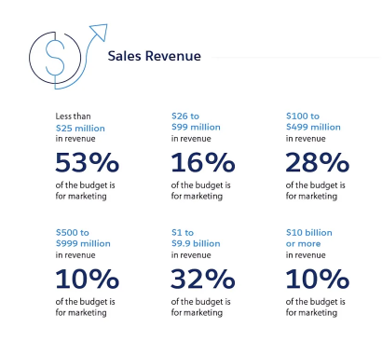
Unit ID | Cost/Unit [USD/*] | Units Bought [*] | Annual Costs [USD/Year] | Lifespan [Years] | Other (Notes)
Packaging | 2200000 | 1 | 176000 | 20 | Purchase Costs Ranges from 120000 to 1.2M
 |  |  |  |  | (Shifted to equipment tab for simplicity)

